AutoIT
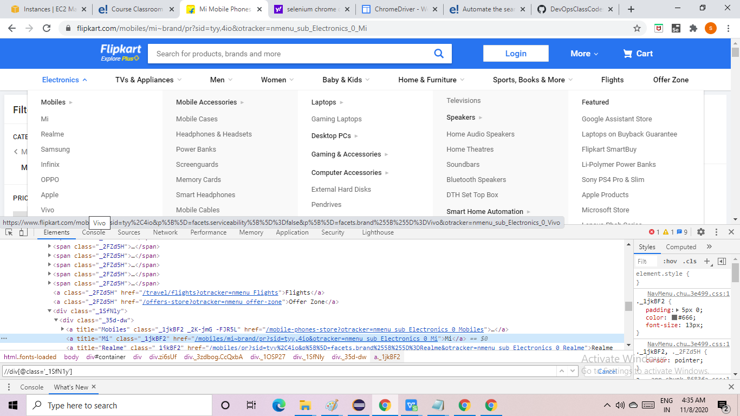

got o index in help section
 | ControlFocus
 | ControlSetText
 | ControlClick

